Growth Rates
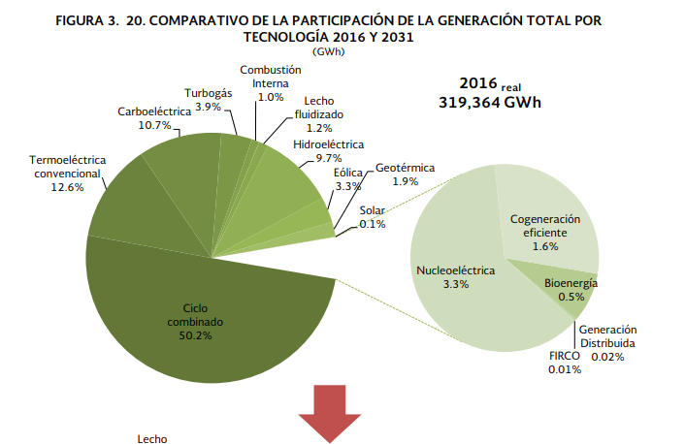

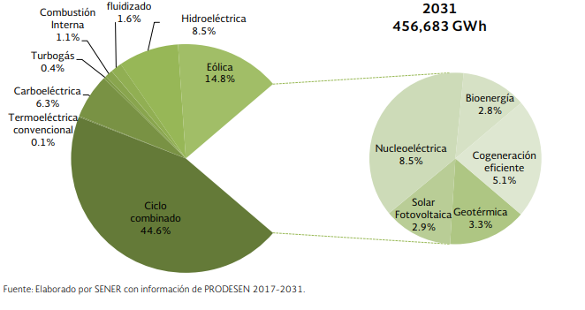

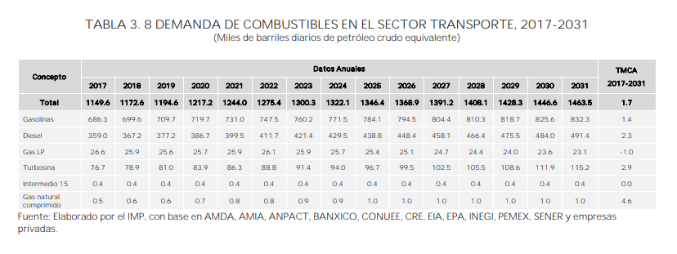

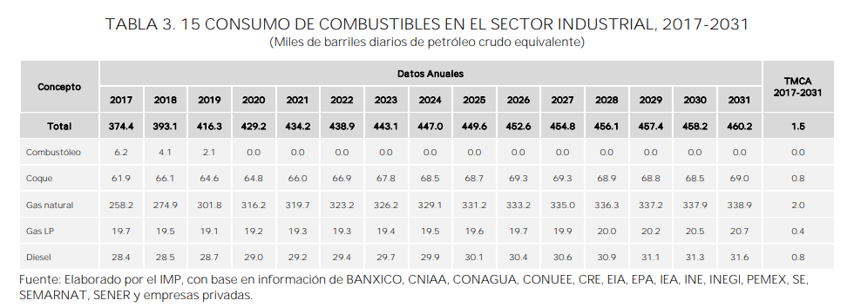

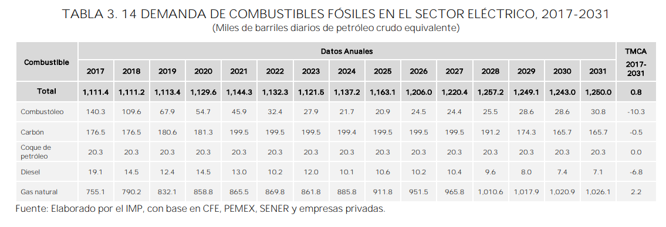

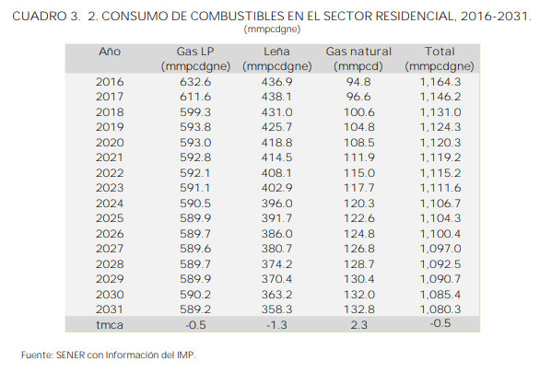
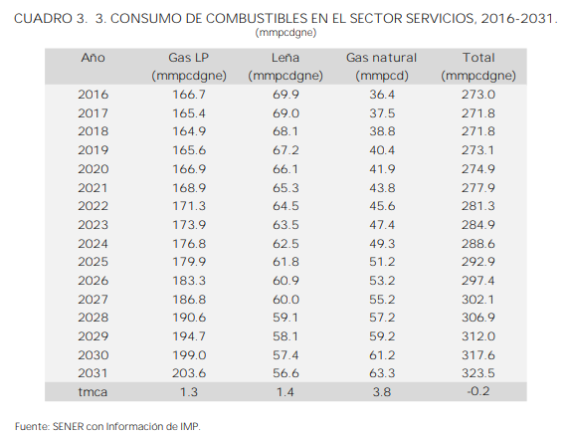

CRE-generación por modalidad
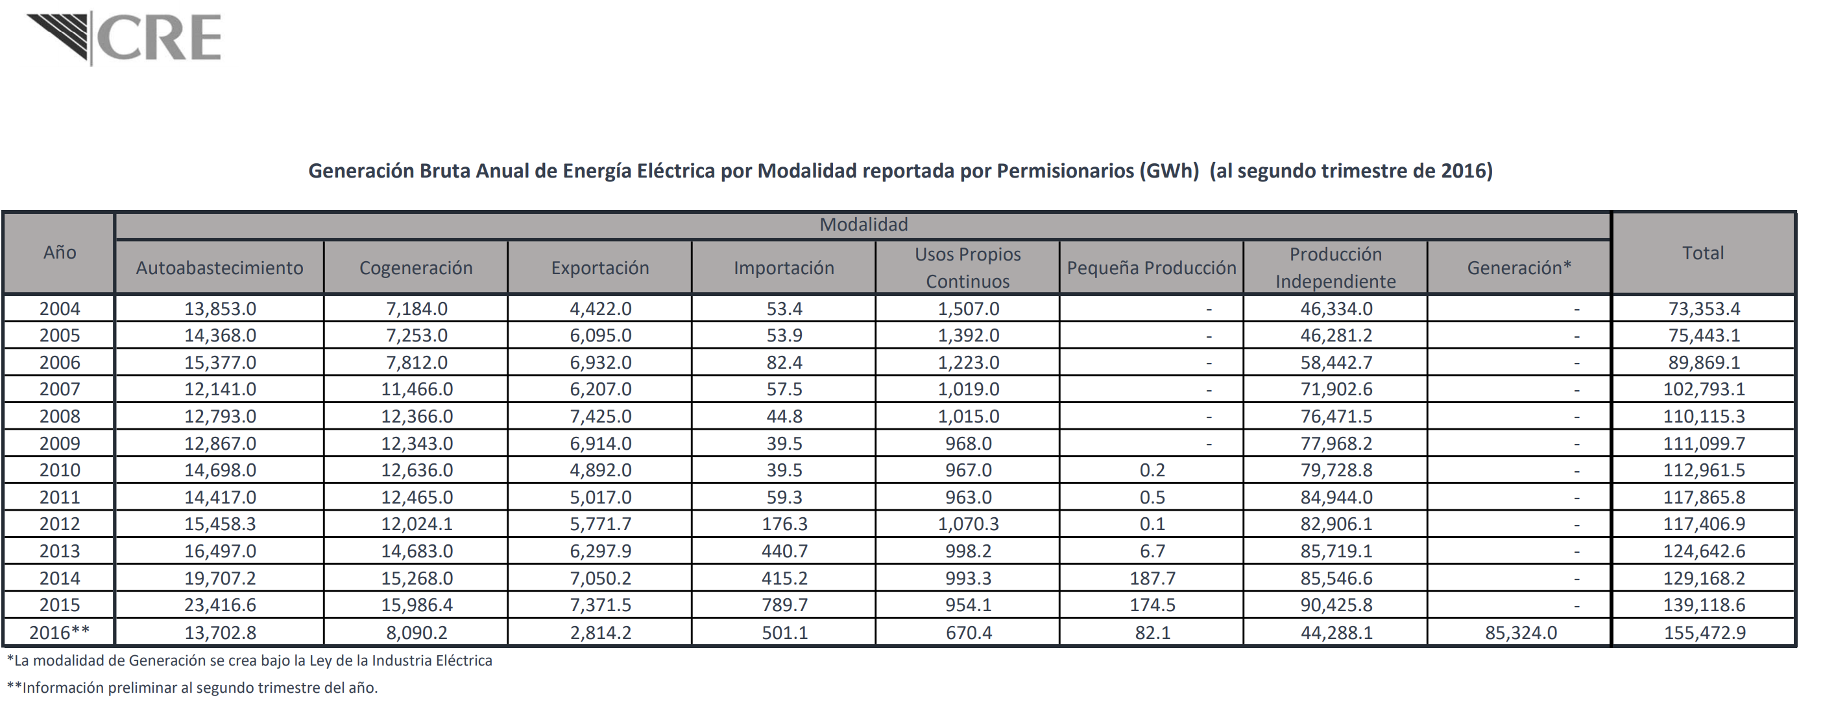
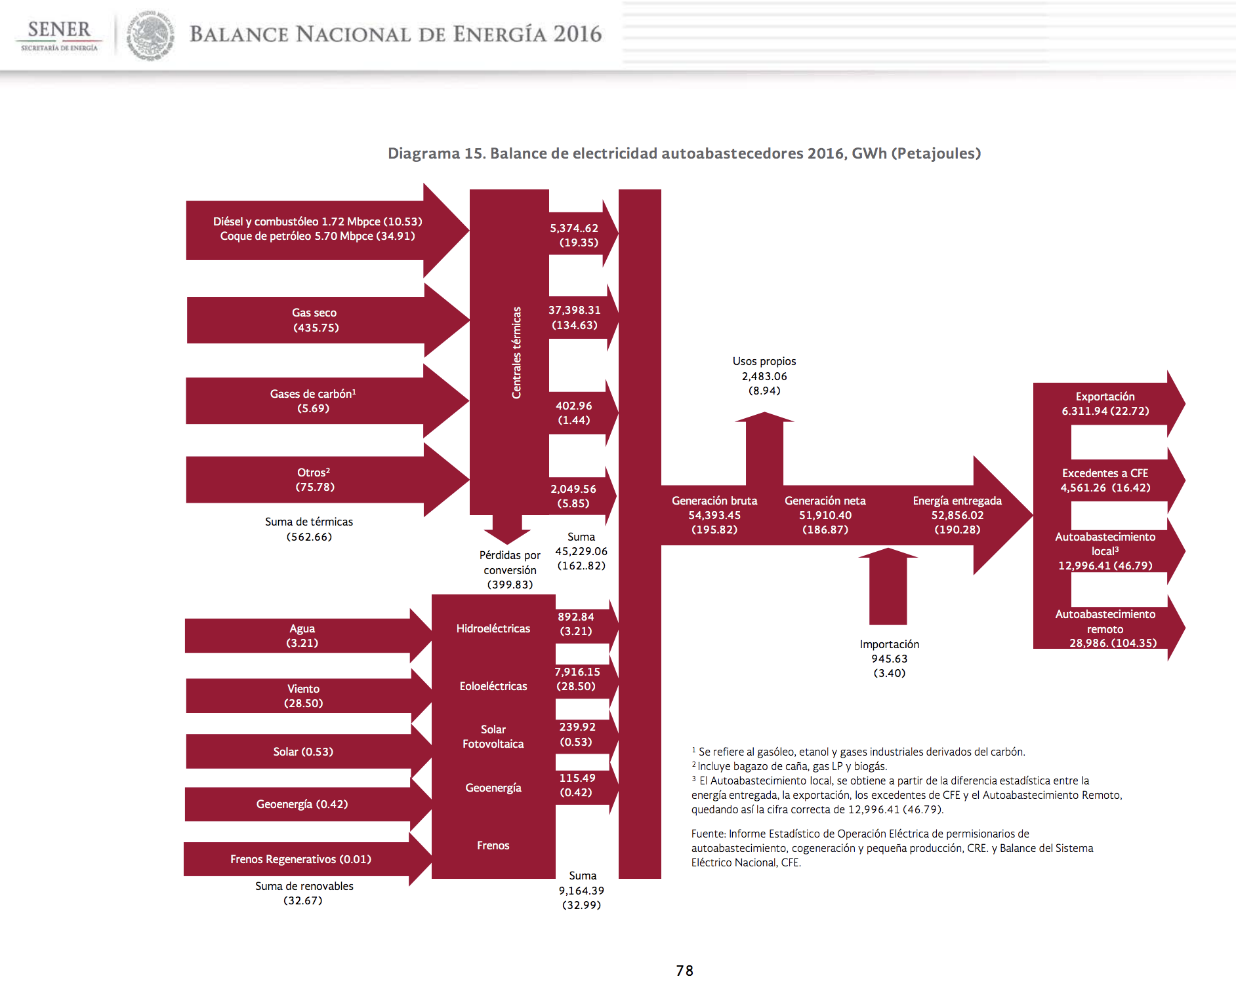
NOT USED - DECIDED TO LEAVE ALL CAPACITY (Regular grid + on/off site self-generation) in the model as it is regulated and modelled as one single interconnected system.
Self-generation
 | GWh | PJ | GJ/GWh
Total | 52856.02 | 190.28 | 3.600
Back to grid | 4561.26 | 16.42 | 3.600
Exports | 6311.94 | 22.72 | 3.600
Local | 12996.41 | 46.79 | 3.600
Remote | 28986.41 | 104.35 | 3.600

Comisión reguladora de energía
Tabla de generación por modalidad
https://www.gob.mx/cms/uploads/attachment/file/166873/Tabla_Generacion_por_Modalidad_2doT.pdf

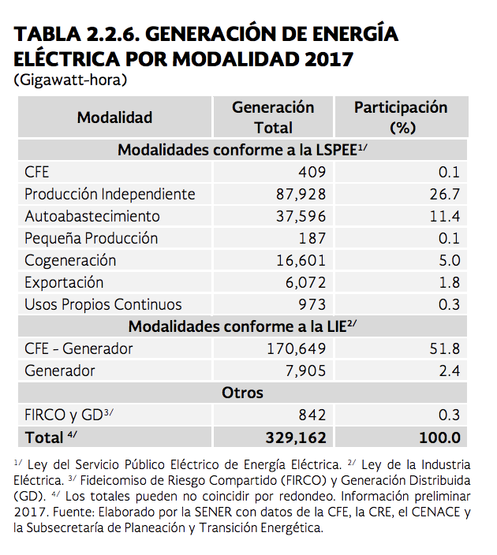
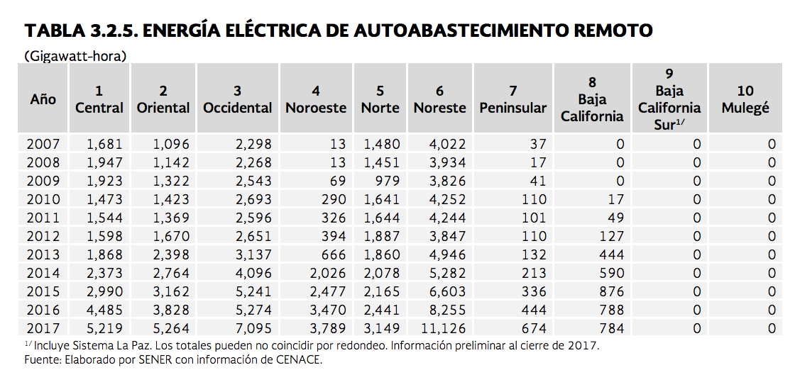
GWh |  |  |  |  |  |  |  |  |  |  |  |  | PRODESEN 2018-2032
Año | Autoabasto | Cogeneración | Exportación | Importación | Usos Propios Continuos | Pequeña producción | PIE | Generación | Total No-CFE |  | Generación CFE | Total total
2004 | 13,853.00 | 7,184.00 | 4,422.00 | 53.4 | 1,507.00 | - | 46,334.00 | - | 73,353.40
2005 | 14,368.00 | 7,253.00 | 6,095.00 | 53.9 | 1,392.00 | - | 46,281.20 | - | 75,443.10
2006 | 15,377.00 | 7,812.00 | 6,932.00 | 82.4 | 1,223.00 | - | 58,442.70 | - | 89,869.10
2007 | 12,141.00 | 11,466.00 | 6,207.00 | 57.5 | 1,019.00 | - | 71,902.60 | - | 102,793.10
2008 | 12,793.00 | 12,366.00 | 7,425.00 | 44.8 | 1,015.00 | - | 76,471.50 | - | 110,115.30
2009 | 12,867.00 | 12,343.00 | 6,914.00 | 39.5 | 968 | - | 77,968.20 | - | 111,099.70
2010 | 14,698.00 | 12,636.00 | 4,892.00 | 39.5 | 967 | 0.2 | 79,728.80 | - | 112,961.50
2011 | 14,417.00 | 12,465.00 | 5,017.00 | 59.3 | 963 | 0.5 | 84,944.00 | - | 117,865.80
2012 | 15,458.30 | 12,024.10 | 5,771.70 | 176.3 | 1,070.30 | 0.1 | 82,906.10 | - | 117,406.90
2013 | 16,497.00 | 14,683.00 | 6,297.90 | 440.7 | 998.2 | 6.7 | 85,719.10 | - | 124,642.60
2014 | 19,707.20 | 15,268.00 | 7,050.20 | 415.2 | 993.3 | 187.7 | 85,546.60 | - | 129,168.20
2015 | 23,416.60 | 15,986.40 | 7,371.50 | 789.7 | 954.1 | 174.5 | 90,425.80 | - | 139,118.60 | 47,903.10 | 0.34433282106

